Sheet2
Census year | Population | Linear Forecast | exponentially
1901 | 238,396,327
1911 | 252,093,390
1921 | 251,321,213
1931 | 278,977,238
1941 | 318,660,580
1951 | 361,088,090
1961 | 439,234,771
1971 | 548,159,652
1981 | 683,329,097
1991 | 846,421,039 |  |  | Scatterd
2001 | 1,028,737,436
2011 | 1,210,854,977
2021 | 1394949113 | 1098127594.9 | 1394949113
2031 | 1579169742 | 1320167104.5 | 1579168634.5
2041 | 1756719103 | 1553948346.8 | 1763390411.9
2051 | 1938675173 | 1786427261.9 | 1934953092.1
2061 | 2120631252 | 2016997453.1 | 2120234588.1
2071 | 2302587499 | 2241196534.3 | 2302553919.8
2081 | 2325915887 | 2453139714.7 | 2484253131.7
2091 | 2547996419 | 2601185620 | 2513439784.5
3001 | 18707041911 | 18212080303 | 18204425856

Population data
Census year | Population | Linear Forecast | exponentially | population of India
1901 | 238,396,327
1911 | 252,093,390
1921 | 251,321,213
1931 | 278,977,238
1941 | 318,660,580
1951 | 361,088,090
1961 | 439,234,771
1971 | 548,159,652
1981 | 683,329,097
1991 | 846,421,039
2001 | 1,028,737,436
2011 | 1,210,854,977
2021 |  | 1098127594.9 | 1394949113
2031 |  | 1234947860.1 | 1579169741.9
2041 |  | 1396613657.4 | 1756719102.7
2051 |  | 1578051664.2 | 1938675172.8
2061 |  | 1786618490.3 | 2120631252.4
2071 |  | 2025371666.1 | 2302587499
2081 |  | 2275583783.3 | 2325915887.1
2091 |  | 2534299429.2 | 2547996419.2
3001 |  | 18679520709 | 18707041911

Exp Smoothing alpha small
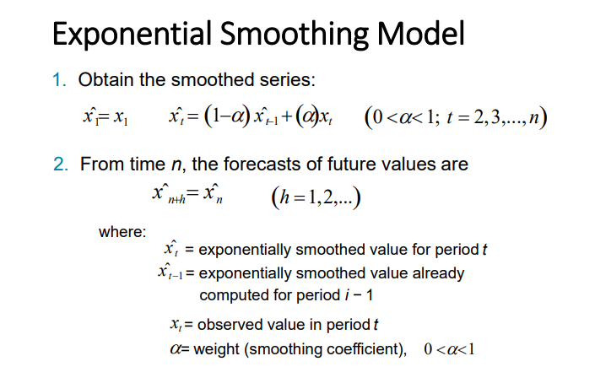
 |  | alpha | 1 - alpha
 |  | 0.2 | 0.8
week | Actual Value | Smoothed Value
1 | 120 | 120
2 | 150 | 126.0000
3 | 240 | 148.8000
4 | 540 | 227.0400
5 | 210 | 223.6320
6 | 380 | 254.9056
7 | 120 | 227.9245
8 | 870 | 356.3396
9 | 250 | 335.0717
10 | 1100 | 488.0573
11 | 500 | 490.4459
12 | 950 | 582.3567

Exp. Smothing alpha large
 |  | alpha | 1 - alpha
 |  | 0.8 | 0.2
week | Actual Value | Smoothed Value
1 | 120
2 | 150 | 120.0000
3 | 240 | 216.0000
4 | 540 | 475.2000
5 | 210 | 263.0400
6 | 380 | 356.6080
7 | 120 | 167.3216
8 | 870 | 729.4643
9 | 250 | 345.8929
10 | 1100 | 949.1786
11 | 500 | 589.8357
12 | 950 | 877.9671
 | Actual Value | Smoothed Value
1 | 120
2 | 150 | 120.0000
3 | 240 | 216.0000
4 | 540 | 475.2000
5 | 210 | 263.0400
6 | 380 | 356.6080
7 | 120 | 167.3216
8 | 870 | 729.4643
9 | 250 | 345.8929
10 | 1100 | 949.1786
11 | 500 | 589.8357
12 | 950 | 877.9671

